Sheet1
NAVI MUTUAL FUND
Navi Liquid Fund
Monthly Portfolio Statement for the month ended 31 May 2025
Name of the Instrument | ISIN | Industry/Rating | Quantity | Market/Fair Value (Rs. in Lacs) | % to Net Assets | YIELD
Debt Instruments
(a)Listed / awaiting listing on Stock Exchanges
5.62% EXIM BANK (20/06/2025) ** | INE514E08FU6 | CRISIL AAA | 800000 | 799.49 | 6.58% | 6.51 %
8.33% RESERVE BANK OF INDIA (23/06/2025) ** | IN2920160115 | SOVEREIGN | 600000 | 600.82 | 4.95% | 5.95 %
7.19% INDIAN RAILWAY FINANCE CORPORATION LTD (31/07/2025) ** | INE053F07777 | CRISIL AAA | 500000 | 501.47 | 4.13% | 5.34 %
8.58% LIC HOUSING FINANCE LIMITED (01/08/2025) ** | INE115A07HT0 | CRISIL AAA | 500000 | 501.49 | 4.13% | 6.33 %
7.15% SIDBI (02/06/2025) ** | INE556F08JY8 | ICRA AAA | 500000 | 500.01 | 4.12% | 6.21 %
5.70% NABARD (31/07/2025) ** | INE261F08DK7 | ICRA AAA | 500000 | 499.19 | 4.11% | 6.40 %
5.78% POWER GRID CORPORATION OF INDIA LIMITED (17/07/2025) ** | INE178A08029 | ICRA AAA | 500000 | 499.35 | 4.11% | 6.50 %
8.25% RESERVE BANK OF INDIA (10/06/2025) ** | IN2220150030 | SOVEREIGN | 166600 | 166.70 | 1.37% | 5.82 %
5.22% RESERVE BANK OF INDIA (15/06/2025) ** | IN0020200112 | SOVEREIGN | 113000 | 112.98 | 0.93% | 5.65 %
Sub Total |  |  |  | 4,181.48 | 34.43%

(b)Privately Placed/ Unlisted
Sub Total |  |  |  | 0.00 | 0.00%

(c)Securitized Debt Instruments
Sub Total |  |  |  | 0.00 | 0.00%

Total |  |  |  | 4,181.48 | 34.43%

Money Market Instruments
(a)Certificate of Deposit
HDFC BANK LIMITED (02/06/2025) **# | INE040A16FE7 | CRISIL A1+ | 500000 | 499.92 | 4.12% | 6.02 %
BANK OF BARODA (06/06/2025) **# | INE028A16GV4 | FITCH A1+ | 500000 | 499.57 | 4.11% | 6.30 %
KOTAK MAHINDRA BANK LIMITED (06/06/2025) **# | INE237A168X4 | CRISIL A1+ | 500000 | 499.57 | 4.11% | 6.30 %
IDFC FIRST BANK LIMITED (25/06/2025) **# | INE092T16YD1 | CRISIL A1+ | 500000 | 497.90 | 4.10% | 6.43 %
AXIS BANK LIMITED (05/06/2025) **# | INE238AD6843 | CRISIL A1+ | 400000 | 399.72 | 3.29% | 6.31 %
Sub Total |  |  |  | 2,396.67 | 19.73%

(b)Commercial Paper
HERO FINCORP LIMITED (05/06/2025) ** | INE957N14JH5 | ICRA A1+ | 500000 | 499.61 | 4.11% | 7.04 %
ICICI SECURITIES LIMITED (08/08/2025) ** | INE763G14YG2 | CRISIL A1+ | 500000 | 494.01 | 4.07% | 6.51 %
AXIS FINANCE LIMITED (13/08/2025) ** | INE891K14OY7 | CRISIL A1+ | 500000 | 493.59 | 4.06% | 6.49 %
SUNDARAM FINANCE LIMITED (25/06/2025) ** | INE660A14XX0 | CRISIL A1+ | 250000 | 248.90 | 2.05% | 6.71 %
Sub Total |  |  |  | 1,736.12 | 14.29%

(c)Treasury Bills
91 DAYS TREASURY BILL 26-JUN-2025 | IN002024X516 | SOVEREIGN | 1000000 | 996.11 | 8.20% | 5.70 %
91 DAYS TREASURY BILL 24-JUL-2025 | IN002025X042 | SOVEREIGN | 1000000 | 991.92 | 8.17% | 5.61 %
91 DAYS TREASURY BILL 01-AUG-2025 | IN002025X059 | SOVEREIGN | 1000000 | 990.73 | 8.16% | 5.60 %
Sub Total |  |  |  | 2,978.76 | 24.53%

Total |  |  |  | 7,111.55 | 58.55%

Others
(a)Fixed Deposit
Sub Total |  |  |  | 0.00 | 0.00%

(b)Exchange Traded Funds
Sub Total |  |  |  | 0.00 | 0.00%

(c)CDMDF_AIF
Corporate Debt Market Development Fund | INF0RQ622028 |  | 401 | 44.85 | 0.37%
Sub Total |  |  |  | 44.85 | 0.37%

Total |  |  |  | 44.85 | 0.37%

TREPS/Reverse Repo/Net Current Assets/Cash/Cash Equivalent |  |  |  | 809.37 | 6.65%

Grand Total |  |  |  | 12,147.24 | 100.00%

** Non Traded Security
# Unlisted Security

This product is suitable for investors who are seeking*
· Income over short term.

· Investments in debt and money market Instruments

*Investors should consult their financial advisers if in doubt about whether the product is suitable for them
Benchmark Riskometer- Crisil Liquid Debt A-I Index

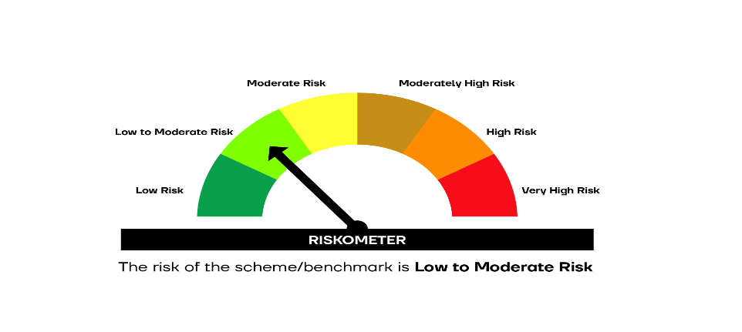

SCHEME RISKOMETER | BENCHMARK RISKOMETER

